Sign Up Page
Sign Up Page
For users to register their details
Name
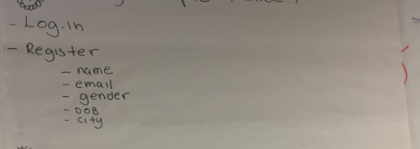
Email Address
Password
Password Confirmation
Gender
Date of Birth
Postcode

Sign Up through Facebook

Information populates the Profile Page

This page then takes you to Walkthrough 1

Walkthrough 1
Walkthrough1 | When users sign up for the first time, they will see this.
 | Walkthrough page to explain what users neet to do
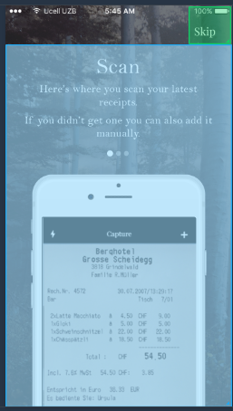

 | Press Skip Button to go to first app page (AddReceipt)

 | Swipe to move to next page (Walkthrough 2)

Walkthrough 2
Walkthrough2

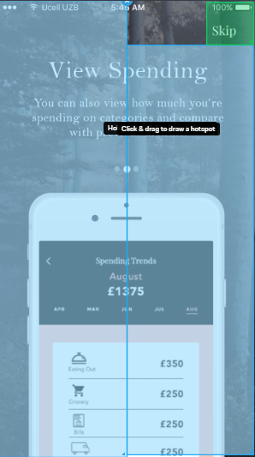

 | Press Skip Button to go to first app page (AddReceipt)

Swipe left to go back to Walkthrough 1 | Swipe right to go to Walkthrough 2

Home Screen
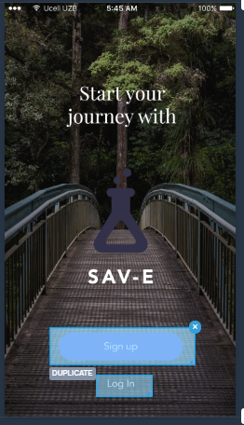
HOME SCREEN | Home Screen

 | Sign Up button goes to Sign Up Page

 | Log In goes straight to Add Receipt Page

Walkthrough 3
Walkthrough3
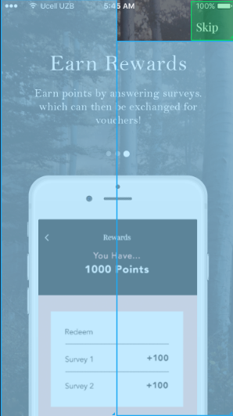
 | Press Skip Button to go to first app page (AddReceipt)

Swipe left to go back to Walkthrough 2

 | Swipe right to go to first app page (AddReceipt)

Add Receipt
AddReceipt
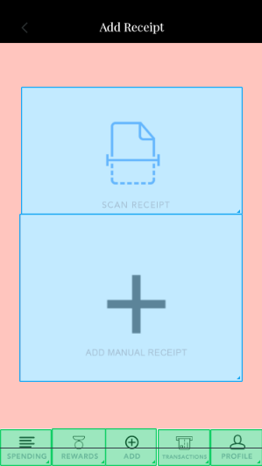

 | Scan Receipt button goes to Receipt Camera Scanner

 | Add Manual Receipt Button goes to AddManualReceipt1

 | Spending button takes you to ViewSpending1
 | Rewards takes you to Rewards1
 | Add takes you to Add Manual Receipt1
 | Transactions takes you to History Page
 | Profile takes you to Profile Page

Receipt Camera Scanner
Receipt Camera Scanner
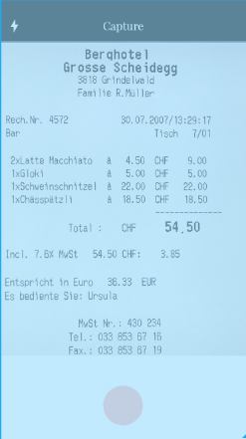
Flash button add/takes away flash | Back Button

 | Circle button takes a photo
 | After photo is taken - there should be a pop-up message asking "Are you happy with your photo?" Answer Options "Yes" "No, Take Again"

Add Manual Receipt1
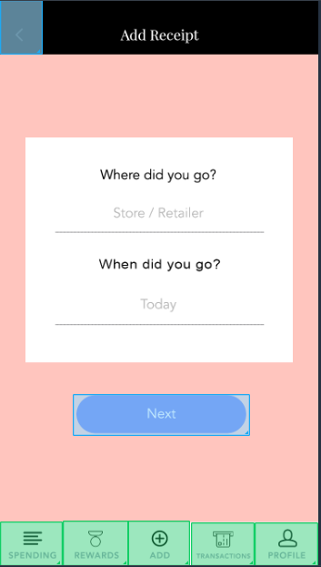
Add Manual Receipt1

Back button goes to previous page | This page is if they don't have a receipt, they can add in a purchase manually

 | Where did you go button lets you input the retailer from a pre-selected dropdown or you can add a new one | Retailer drop down
 |  | 1 NOT SPECIFIED
 |  | 2 TOTAL MARKET
 |  | 3 99p Stores
 |  | 4 Aldi
 |  | 5 Alldays
 |  | 6 All Market Stalls
 | When did you go button starts as default to Today and goes into a calendar view | 7 Allotment/Garden Societies
 | so you can choose which date your trip was on | 8 Asda
 |  | 9 Asda Internet
 |  | 10 Atlantic Homecare (Ireland)
 |  | 11 Augustus Barnett
 |  | 12 Avon
 | Next button takes you to Add Manual Receipt2 page | 13 B&M Bargains
 |  | 14 B&Q
 |  | 15 B & Q / The Depot
 |  | 16 Back Data Conversion
 |  | 17 Bejam
 |  | 18 Bewleys (Ireland)
 | Spending button takes you to ViewSpending1 | 19 Bloomfields(Ireland)
 | Rewards takes you to Rewards1 | 20 Bodycare/Grahams
 | Add takes you to Add Manual Receipt1 | 21 Bodyshop
 | Transactions takes you to History Page | 22 British Home Stores
 | Profile takes you to Profile Page | 23 Blayney And Co.
 |  | 24 Book Shop
 |  | 25 Boots
 |  | 26 Budgens
 |  | 27 Capital Foods
 |  | 28 Cargo Club
 |  | 29 Cash And Carry
 |  | 30 Cheers (Ireland)
 |  | 31 Cellar 5
 |  | 32 Centra (Ireland)
 |  | 33 Circle K
 |  | 34 Connors Chemist (Ireland)
 |  | 35 Costco
 |  | 36 Costcutter
 |  | 37 Co-Op Baker
 |  | 38 Co-Op Butcher
 |  | 39 Co-Op Chemist
 |  | 40 Co-Op Freezer Centre
 |  | 41 Cordon Bleu
 |  | 42 Crazy Prices (Ireland)
 |  | 43 Curleys (Ireland)
 |  | 44 Currys
 |  | 45 Dales
 |  | 46 David Greig
 |  | 47 Decor 8/Fads/Homestyle
 |  | 48 Delicatessen
 |  | 49 Dewhurst
 |  | 50 Dillons Store Newsagent
 |  | 51 Discount / # Shop (Ireland)
 |  | 52 Dixons
 |  | 53 Do It All
 |  | 54 Don't Know
 |  | 55 Drinks Cbn/Huttons/Fd & Wine
 |  | 56 Dunnes Stores (Ireland)
 |  | 57 Duty Free
 |  | 58 Ed
 |  | 59 Electricity Board Showroom
 |  | 60 Farm Foods
 |  | 61 Farm Pick Your Own
 |  | 62 Farm Direct
 |  | 63 Farmshop/Stall
 |  | 64 Finefare
 |  | 65 Fishmonger
 |  | 66 Fish Stall (Ireland)
 |  | 67 Flower Shops (Ireland)
 |  | 68 Food Giant
 |  | 69 Forbuoys Newsagent
 |  | 70 Free Samples
 |  | 71 Galbraiths
 |  | 72 Galleon Off Licence
 |  | 73 Garage/Petrol/Service Shop
 |  | 74 Garden Centres/Shops/Nurserie
 |  | 75 Gateway
 |  | 76 Gough Brothers
 |  | 77 Great Mills
 |  | 78 Greengrocer/Fruiterer
 |  | 79 Greggs
 |  | 80 Hardware/Ironmonger/Builder
 |  | 81 Holland And Barrett
 |  | 82 Home Bargains
 |  | 83 Homebase
 |  | 84 Ice Cream Van
 |  | 85 Iceland
 |  | 86 Iceland Home Delivery
 |  | 87 John Menzies
 |  | 88 Jollye's
 |  | 89 Kingswood/Gk
 |  | 90 Kwik Save
 |  | 91 L & N (Ireland)
 |  | 92 Lavells Newsagent
 |  | 93 Lewis Meeson Newsagent
 |  | 94 Lidl
 |  | 95 Littlewoods
 |  | 96 Liquor Save
 |  | 97 Lloyds Chemist
 |  | 98 Lloyds Supersave
 |  | 99 Lo Cost
 |  | 100 Grandways
 |  | 101 Londis
 |  | 102 M & W (Misslebrook & Western)
 |  | 103 Mace
 |  | 104 Mail Order
 |  | 105 Marks & Spencer
 |  | 106 Marks & Spencer Internet
 |  | 107 Martin Newsagent
 |  | 108 Medicare
 |  | 109 Majestic Wine Warehouses
 |  | 110 Milkman
 |  | 111 Mobile Shop/Van
 |  | 112 Molloys (Ireland)
 |  | 113 Morrisons
 |  | 114 Mothercare
 |  | 115 Nearbuy (Ireland)
 |  | 116 Netto (Old)
 |  | 117 Newsagent
 |  | 118 Next Door (Ireland)
 |  | 119 Nisa
 |  | 120 Nisa Today
 |  | 121 Norma
 |  | 122 Normans
 |  | 123 Nss Newsagent
 |  | 124 O'briens Fine Wines (Irelands
 |  | 125 Ocado Internet
 |  | 126 Oddbins
 |  | 127 One Stop
 |  | 128 Open/Other Market Stall
 |  | 129 Opticians
 |  | 130 Other
 |  | 131 Other Bakers
 |  | 132 Other Bargain Store
 |  | 133 Other Butcher
 |  | 134 Other Chemist
 |  | 135 Other D.I.Y.Store
 |  | 136 Department Store
 |  | 137 Other Discount Drugstore
 |  | 138 Other D.I.Y. Shop
 |  | 139 Other D.I.Y. Superstore
 |  | 140 Other Freezer Centre
 |  | 141 Other Grocer/Cornerstore
 |  | 142 Other Health Shop
 |  | 143 Other Off Licence
 |  | 144 Other Paint & Wallpaper Shop
 |  | 145 Other Pet Superstore
 |  | 146 Other Radio/Electrical Shops
 |  | 147 Other Sweet Shop
 |  | 148 Payless
 |  | 149 Penny Market
 |  | 150 Permanent/Covered Market Stll
 |  | 151 Pet Shop
 |  | 152 Pets At Home
 |  | 153 Petsmart
 |  | 154 Pets World
 |  | 155 Peter Dominic
 |  | 156 Poundland
 |  | 157 Poundstretcher
 |  | 158 Poundworld
 |  | 159 Powercity (Ireland)
 |  | 160 Preedy Newsagent
 |  | 161 Premier Stores
 |  | 162 Presto
 |  | 163 Quinnsworth (Ireland)
 |  | 164 Roadside Stall (Ireland)
 |  | 165 Roches Stores (Ireland)
 |  | 166 Roundsman Bakers
 |  | 167 Safeway
 |  | 168 Safeway (Delivered To Home)
 |  | 169 Sainsbury's (Supermarket)
 |  | 170 Sainsbury Other
 |  | 171 Sainsbury's Internet
 |  | 172 Savacentre
 |  | 173 Savacentre (Delivered To Home
 |  | 174 Savers
 |  | 175 Savory And Moore
 |  | 176 Seven Eleven
 |  | 177 Share Drug
 |  | 178 Shoprite
 |  | 179 Small Pet Shop
 |  | 180 Soft Drinks Roundsman
 |  | 181 Solo
 |  | 182 Somerfield
 |  | 183 Somerfield (Home Delivery)
 |  | 184 Spar
 |  | 185 Spar 8 Til Late
 |  | 186 Spar / Spar Eight Till Late
 |  | 187 Specialist Lighting Shops
 |  | 188 Sperrings
 |  | 189 Stars News Shops Newsagent
 |  | 190 Stewarts (Ireland)
 |  | 191 Superdeal (Ireland)
 |  | 192 Superdrug
 |  | 193 Superquinn(Ireland)
 |  | 194 Supervalu (Ireland)
 |  | 195 Tesco (Supermarket)
 |  | 196 Tesco Express
 |  | 197 Tesco Metro
 |  | 198 Tesco Internet
 |  | 199 Tesco Extra
 |  | 200 Texas Home Care
 |  | 201 The Depot
 |  | 202 Thresher/Wine Rack
 |  | 203 Thresher/Wine Rack/Bottoms Up
 |  | 204 Tip Top
 |  | 205 Total Co-Op Grocers
 |  | 206 Toys R Us
 |  | 207 Unwins
 |  | 208 Vg
 |  | 209 Victor Value
 |  | 210 Victoria Wines
 |  | 211 Victoria Wine/Haddows
 |  | 212 Virgin Vie
 |  | 213 Vivo (Ireland)
 |  | 214 W H Smith
 |  | 215 Waitrose
 |  | 216 Waitrose Internet
 |  | 217 Walter Willson
 |  | 218 Westside Stores(Ireland)
 |  | 219 Wickes
 |  | 220 Wilkinson
 |  | 221 William Low
 |  | 222 Wine Warehouses
 |  | 223 Woodies (Ireland)
 |  | 224 Your Store (Ireland)
 |  | 225 Woolworth
 |  | 226 Miscellaneous Shop
 |  | 227 All Others

Add Manual Receipt 2
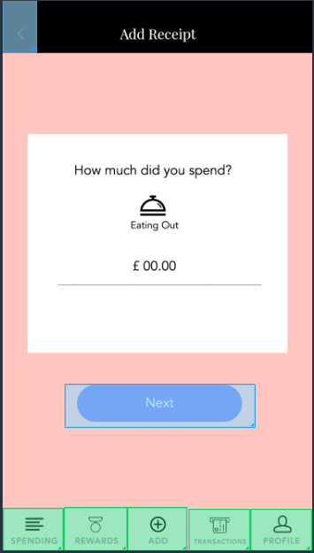
Add Manual Receipt2
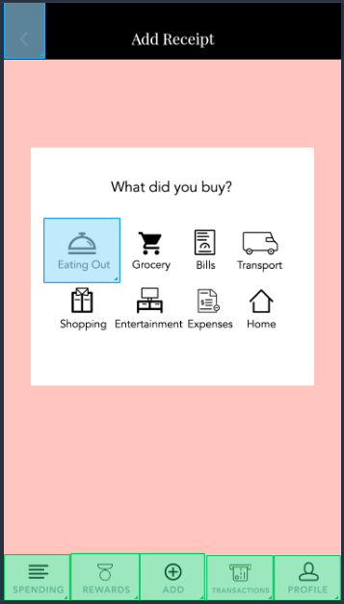
Back button goes to previous page

 | Each button lets you categorise what category your spend was on

 | e.g. if you click eating out the next page will have the eating out logo
 | on the Add Manual Receipt 3 Page

 | Spending button takes you to ViewSpending1
 | Rewards takes you to Rewards1
 | Add takes you to Add Manual Receipt1
 | Transactions takes you to History Page
 | Profile takes you to Profile Page

Add Manual Receipt 4
Add Manual Receipt4
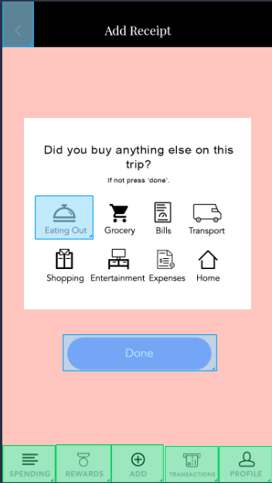
Back button goes to previous page

 | If you bought into more than one category during a trip, then you can add something else
 | e.g. I went to Tesco and bought my grocery shopping, a jumper and a TV
 | This would span Grocery, Entertainment and Shopping

 | If they do need to add another, then they press the category and it goes to another version
 | of the Add Manual Receipt 2 page ->

 | If not and they are finished, then they click done and it stores the manual transaction
 | in the app as a transaction in the History page and categorised in the View Spending page

 | Spending button takes you to ViewSpending1
 | Rewards takes you to Rewards1
 | Add takes you to Add Manual Receipt1
 | Transactions takes you to History Page
 | Profile takes you to Profile Page

History Page
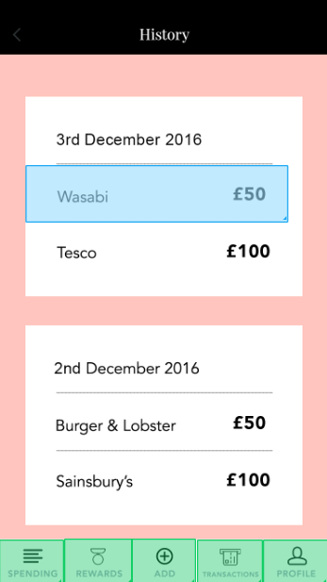
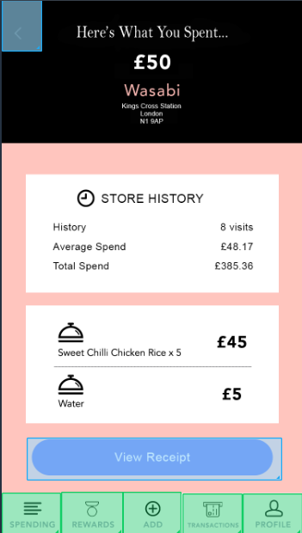
History Page

 | History, see each transaction that you've made

 | If you click on an item it then it takes you to the transaction page ->
 | e.g. click on Wasabi and it goes to Wasabi Transaction Breakdown

 | Spending button takes you to ViewSpending1
 | Rewards takes you to Rewards1
 | Add takes you to Add Manual Receipt1
 | Transactions takes you to History Page
 | Profile takes you to Profile Page

Wasabi Transaction Breakdown
Wasabi Transaction Breakdown
Back button to previous page

 | Shows you how much you spent on the trip

 | What retailer/store/place it was

 | The address of the Retailer

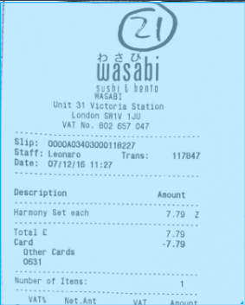
 | Store History gives:
 | how many trips you've made to the place
 | how much you spend on average
 | The total spend of the place where this transaction is from

 | Click view receipt button and it will take you through to the receipt page for your transaction
 | e.g. Wasabi Receipt

 | Spending button takes you to ViewSpending1
 | Rewards takes you to Rewards1
 | Add takes you to Add Manual Receipt1
 | Transactions takes you to History Page
 | Profile takes you to Profile Page

Profile Page
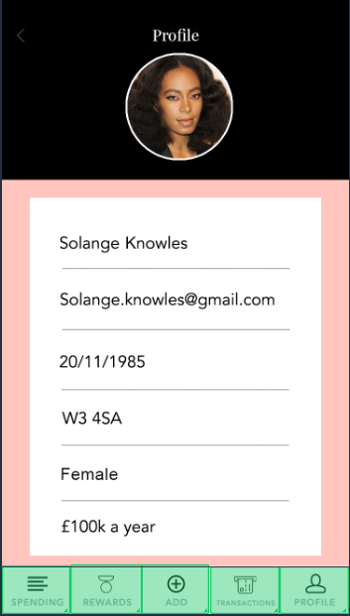
Profile Page

 | Profile page lets you look at information from when you signed up and edit

 | Click on the fields to change your details

 | Spending button takes you to ViewSpending1
 | Rewards takes you to Rewards1
 | Add takes you to Add Manual Receipt1
 | Transactions takes you to History Page
 | Profile takes you to Profile Page

Rewards1
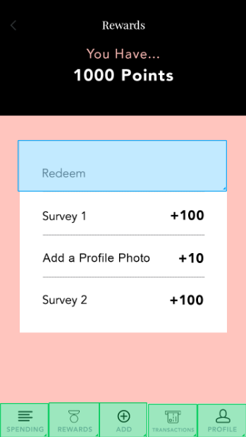
Rewards1

 | Shows you how many points you've accrued from answering Surveys + completing tasks

 | Redeem lets you see the options you have to redeem points
 | Redeem button takes you to Rewards2 page

 | Surveys you can click into and then it launches a survey to win points on completion

 | Tasks like Add a Profile Photo tell you what you need to do to win points
 | e.g. Add a Profile Photo would take you to the Profile Photo page so you can change your photo

 | Once you complete the task, points will be added to the top

 | Spending button takes you to ViewSpending1
 | Rewards takes you to Rewards1
 | Add takes you to Add Manual Receipt1
 | Transactions takes you to History Page
 | Profile takes you to Profile Page

Rewards2
Rewards2
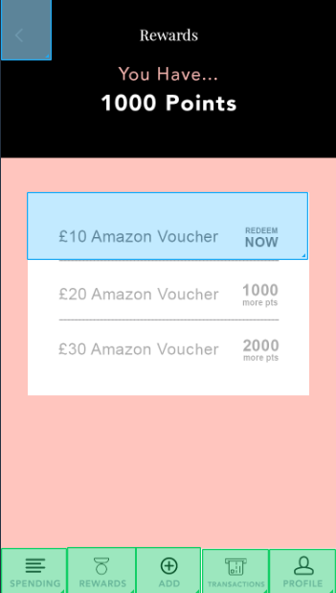
Back button to previous page

 | Shows you how many points you've accrued from answering Surveys + completing tasks

 | Here you can choose which reward you want
 | If you can redeem your choice, it will say Redeem Now
 | If you can't then it will be greyed out and tell you how many more points you will need

 | Click £10 Amazon Voucher button to go to Rewards3

 | Spending button takes you to ViewSpending1
 | Rewards takes you to Rewards1
 | Add takes you to Add Manual Receipt1
 | Transactions takes you to History Page
 | Profile takes you to Profile Page

Rewards 3
Rewards3
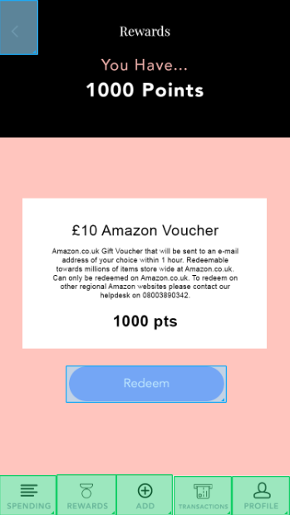
Back button to previous page

 | Shows you how many points you've accrued from answering Surveys + completing tasks

 | Description of Reward

 | How many points you need

 | Click to redeem the reward, your points will be subtracted by the amount of points it costs
 | Clicking redeem will lauch a pop-up saying "Congratulations, you have successfully redeemed <the reward selected>!"
 | Clicking redeem will take you back to the Rewards 1 page

 | Spending button takes you to ViewSpending1
 | Rewards takes you to Rewards1
 | Add takes you to Add Manual Receipt1
 | Transactions takes you to History Page
 | Profile takes you to Profile Page

View Spending1
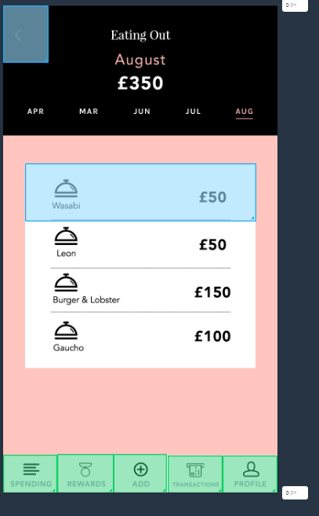
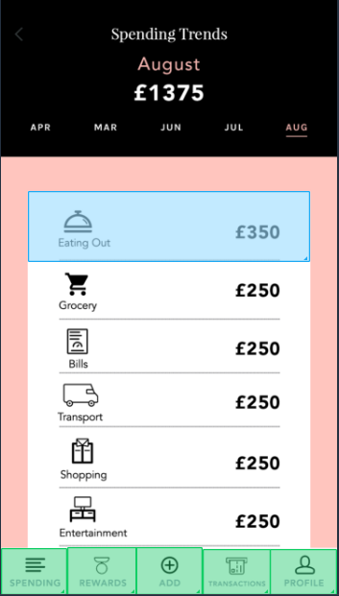
ViewSpending
 | Shows you your spending breakdown, categorised by sector

 | Shows the month selected

 | Shows how much you've spent for the month

 | Click or scroll across to select which month

 | If you click on one of the sections, it will take you through to a more detailed breakdown of the category
 | e.g. If you click Eating out, it will take you to ViewSpending2 ====>

 | Spending button takes you to ViewSpending1
 | Rewards takes you to Rewards1
 | Add takes you to Add Manual Receipt1
 | Transactions takes you to History Page
 | Profile takes you to Profile Page

